Business context diagram
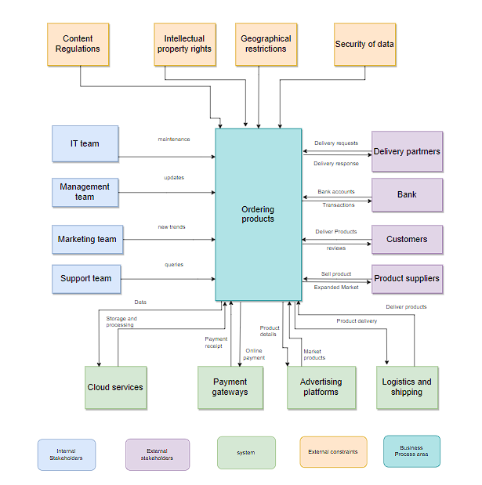
Business context diagram

Process Flow
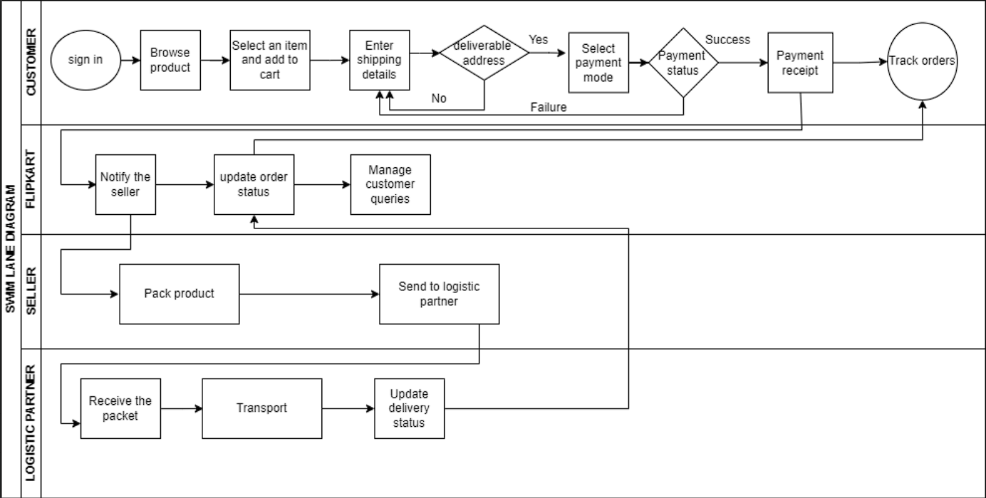
Process flow diagram for ordering in flipkart

